Int'l方面別 (EN)
International scheduled flights (KIX)

 | S16 | (city) | W16 | (city) | S17 | (city) | W17 | (city) | S18 | (city) | W18 | (city) | S19 | (city) | W19 | (city) | S20 | (city) | W20 | (city) | S21 | (city) | W21 | (city) | S22 | (city) | W22 | (city) | S23 | (city) | W23 | (city) | S24 | (city) | W24 | (city) | S25 | (city)
South Korea | 255 | (4) | 281 | (4) | 327 | (4) | 355 | (4) | 360 | (6) | 346 | (6) | 348 | (6) | 232 | (4) | 3 | (1) | 5 | (1) | 5 | (1) | 7 | (1) | 88 | (2) | 239 | (4) | 317 | (5) | 349 | (6) | 340 | (5) | 366 | (5) | 386 | (5)
China | 327 | (35) | 330 | (35) | 326 | (32) | 336 | (32) | 346 | (32) | 415 | (33) | 494 | (34) | 600 | (37) | 15 | (2) | 3 | (3) | 1 | (1) | 1 | (1) | 6 | (6) | 8 | (6) | 215 | (18) | 285 | (21) | 388 | (22) | 488 | (28) | 584 | (31)
Hong Kong & Macau | 108 | (2) | 114 | (2) | 133 | (2) | 131 | (2) | 133 | (2) | 141 | (2) | 124 | (2) | 125 | (2) | 7 | (2) | 2 | (1) | 1.5 | (1) | 1 | (1) | 27 | (1) | 71 | (1) | 109 | (2) | 133 | (2) | 140 | (2) | 140 | (2) | 143 | (2)
Taiwan | 165 | (3) | 148 | (3) | 134 | (3) | 138 | (3) | 128 | (3) | 135 | (3) | 135 | (3) | 134 | (3) | 7 | (1) | 13 | (1) | 9 | (1) | 10 | (1) | 27 | (1) | 79 | (2) | 112 | (2) | 119 | (2) | 126 | (2) | 133 | (2) | 133 | (2)
Southeast Asia | 128 | (9) | 139 | (9) | 137 | (10) | 153 | (10) | 149 | (10) | 180 | (11) | 197 | (11) | 198 | (11) | 11 | (3) | 13.5 | (4) | 17.5 | (3) | 22.5 | (3) | 62 | (6) | 113 | (7) | 150 | (7) | 168 | (7) | 177 | (7) | 182 | (8) | 176 | (9)
North America | 48 | (5) | 33 | (3) | 46 | (4) | 41 | (3) | 56 | (4) | 53 | (3) | 54 | (5) | 40 | (3) | 0 | (0) | 1.5 | (2) | 1.5 | (2) | 2.5 | (3) | 8.5 | (2) | 14 | (3) | 26 | (4) | 24 | (3) | 33 | (5) | 22 | (3) | 35 | (5)
Hawaii | *21 | *(1) | *21 | *(1) | *25 | *(1) | *29 | *(1) | *36 | *(1) | *39 | *(1) | 28 | (1) | 28 | (1) | 0 | (0) | 1 | (1) | 1 | (1) | 1 | (1) | 7 | (1) | 8 | (1) | 11 | (1) | 12 | (1) | 12 | (1) | 12 | (1) | 14 | (1)
Europe | 33 | (5) | 23 | (5) | 26 | (4) | 21 | (4) | 28 | (4) | 26 | (4) | 35 | (5) | 30 | (5) | 3 | (1) | 8 | (3) | 10 | (3) | 10.5 | (4) | 5 | (2) | 5 | (2) | 12 | (4) | 18 | (5) | 27 | (5) | 14 | (4) | 27 | (5)
Oceania & Guam | 35 | (3) | 37 | (4) | 28 | (3) | 32 | (5) | 33 | (4) | 34 | (5) | 32 | (4) | 40 | (5) | 0 | (0) | 0 | (0) | 0 | (0) | 0 | (0) | 5 | (2) | 6 | (2) | 11 | (2) | 19 | (3) | 22 | (4) | 20 | (4) | 25 | (4)
Others* | 10 | (3) | 10 | (3) | 12 | (4) | 10 | (3) | 11 | (4) | 10 | (3) | 14 | (5) | 10 | (3) | 6 | (1) | 4 | (1) | 4 | (1) | 5 | (1) | 6 | (1) | 7 | (1) | 12 | (2) | 19 | (3) | 21 | (4) | 15 | (3) | 20 | (4)
Total | 1,109 | (69) | 1,115 | (68) | 1,169 | (66) | 1,217 | (66) | 1,244 | (69) | 1,340 | (70) | 1,433 | (75) | 1,409 | (73) | 52 | (11) | 50 | (16) | 49.5 | (13) | 59.5 | (15) | 234.5 | (23) | 542 | (28) | 964 | (46) | 1,134 | (52) | 1,274 | (56) | 1,380 | (59) | 1,529 | (67)
Japanese AL |  | 5 |  | 5 |  | 5 |  | 5 |  | 5 |  | 5 |  | 3 |  | 4 |  | 0 |  | 2 |  | 1 |  | 2 |  | 2 |  | 2 |  | 3 |  | 3 |  | 4 |  | 4 |  | 4
Foreign AL |  | 52 |  | 51 |  | 53 |  | 53 |  | 54 |  | 56 |  | 60 |  | 60 |  | 10 |  | 19 |  | 15 |  | 16 |  | 33 |  | 39 |  | 54 |  | 57 |  | 59 |  | 56 |  | 61
Total AL |  | 57 |  | 56 |  | 58 |  | 58 |  | 59 |  | 61 |  | 63 |  | 64 |  | 10 |  | 21 |  | 16 |  | 18 |  | 35 |  | 41 |  | 57 |  | 60 |  | 63 |  | 60 |  | 65
＊The "Others" category includes Middle East, India, Nepal and Far East Asia.

（Reference）KIX 2025 Winter Schedule – Scheduled international passenger flights
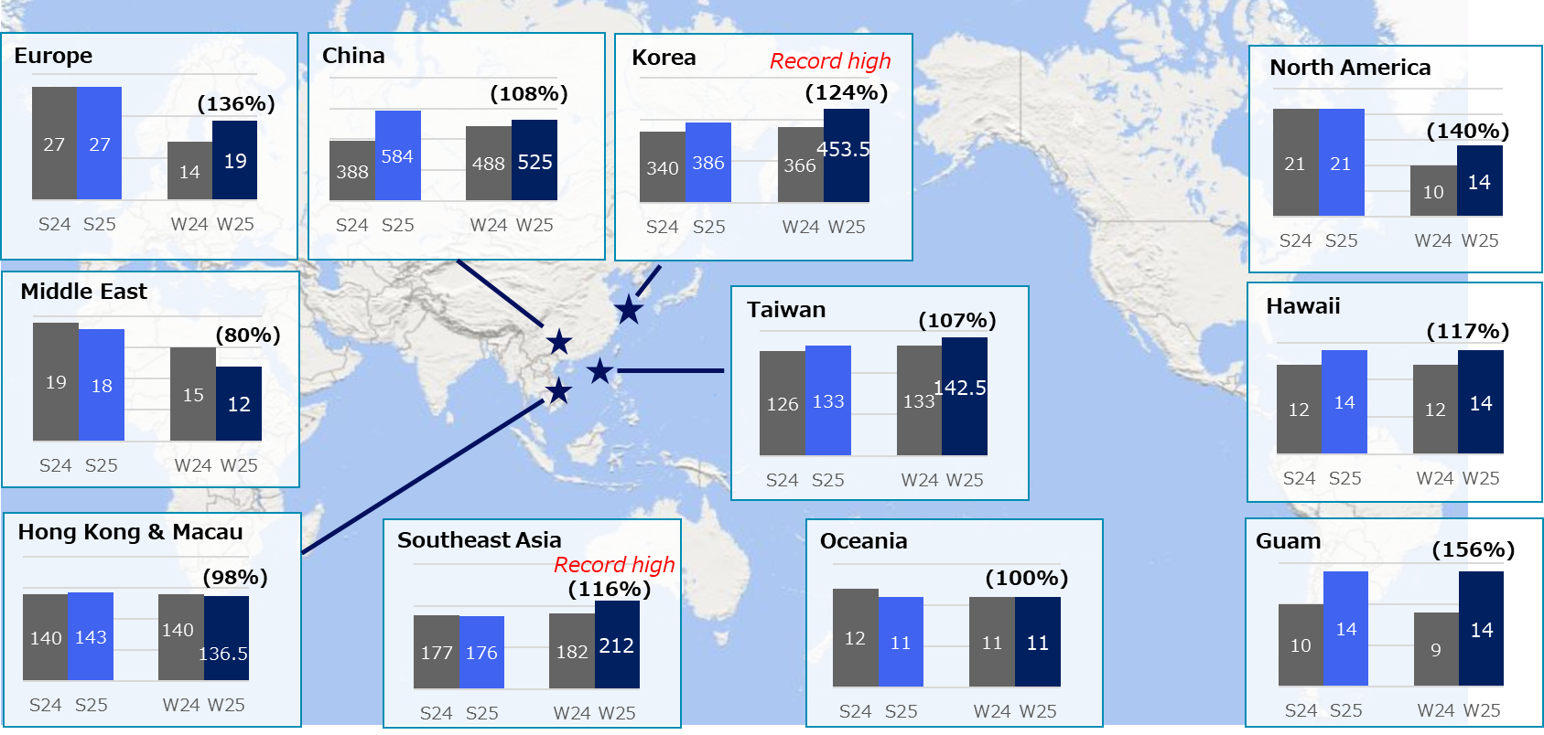

- W25: Planned flights for December, expecting the peak of the Winter 2025 schedule.
- S25: Peak flights in August as of September 30 under the Summer 2025 schedule
- Numbers in parentheses in the graph: Year-on-year comparison with the Summer/Winter 2024 schedule​

